Sorting and Filtering Screensho
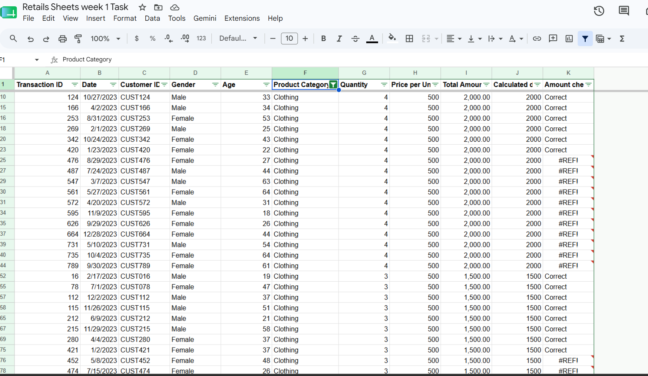
Screenshot 1 - Filtered by Product Category: Clothing

Filtered by Gender: Female

Sorted by Quantity

Charts
Total Sales by Product Category"
Total Quantity Sold by Product Category

Total Sales by Gender

